DES
 |  |  | DES (Holt's Method)
 | Date | Actual Sales | Lt | Tt | Yt+1 (Forecast)
 | 2020-01-01 | 9.52 | 9.52
 | 2020-01-02 | 10.48 | 10.48 | 0.96
 | 2020-01-03 | 11.00 | 11.13 | 0.77 | 11.44
 | 2020-01-04 | 10.60 | 10.99 | 0.23 | 11.90 | alpha | 0.7
 | 2020-01-05 | 9.65 | 10.12 | -0.43 | 11.22 | beta | 0.6
 | 2020-01-06 | 9.02 | 9.22 | -0.71 | 9.69
 | 2020-01-07 | 9.29 | 9.06 | -0.38 | 8.51
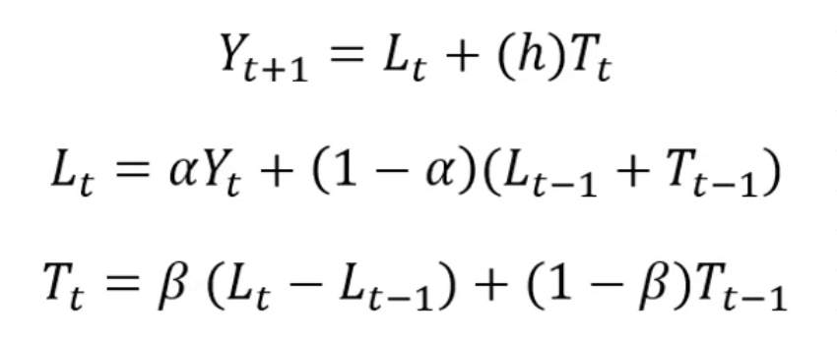
 | 2020-01-08 | 10.21 | 9.75 | 0.26 | 8.68
 | 2020-01-09 | 10.94 | 10.66 | 0.65 | 10.02
 | 2020-01-10 | 10.80 | 10.95 | 0.43 | 11.31
 | 2020-01-11 | 9.93 | 10.36 | -0.18 | 11.39
 | 2020-01-12 | 9.12 | 9.44 | -0.63 | 10.19
 | 2020-01-13 | 9.12 | 9.03 | -0.50 | 8.81
 | 2020-01-14 | 9.93 | 9.51 | 0.09 | 8.54
 | 2020-01-15 | 10.80 | 10.44 | 0.59 | 9.60
 | 2020-01-16 | 10.94 | 10.97 | 0.55 | 11.04
 | 2020-01-17 | 10.21 | 10.60 | 0.00 | 11.52
 | 2020-01-18 | 9.29 | 9.68 | -0.55 | 10.60
 | 2020-01-19 | 9.02 | 9.06 | -0.60 | 9.13
 | 2020-01-20 | 9.66 | 9.30 | -0.09 | 8.46
 | 2020-01-21 | 10.60 | 10.18 | 0.49 | 9.20
 | 2020-01-22 | 11.00 | 10.90 | 0.63 | 10.68
 | 2020-01-23 | 10.47 | 10.79 | 0.18 | 11.53
 | 2020-01-24 | 9.51 | 9.95 | -0.43 | 10.97
 | 2020-01-25 | 9.00 | 9.16 | -0.65 | 9.52
 | 2020-01-26 | 9.41 | 9.14 | -0.27 | 8.51
 | 2020-01-27 | 10.36 | 9.91 | 0.36 | 8.87
 | 2020-01-28 | 10.98 | 10.77 | 0.65 | 10.27
 | 2020-01-29 | 10.70 | 10.92 | 0.35 | 11.42
 | 2020-01-30 | 9.78 | 10.22 | -0.27 | 11.27
 | 2020-01-31 | 9.06 | 9.33 | -0.65 | 9.95
 | 2020-02-01 | 9.21 | 9.05 | -0.43 | 8.68
 | 2020-02-02 | 10.08 | 9.64 | 0.19 | 8.62
 | 2020-02-03 | 10.88 | 10.57 | 0.63 | 9.83
 | 2020-02-04 | 10.87 | 10.97 | 0.49 | 11.20
 | 2020-02-05 | 10.06 | 10.48 | -0.10 | 11.46
 | 2020-02-06 | 9.19 | 9.55 | -0.60 | 10.38
 | 2020-02-07 | 9.07 | 9.03 | -0.55 | 8.95
 | 2020-02-08 | 9.80 | 9.41 | 0.00 | 8.48
 | 2020-02-09 | 10.72 | 10.33 | 0.55 | 9.41
 | 2020-02-10 | 10.97 | 10.95 | 0.59 | 10.88
 | 2020-02-11 | 10.33 | 10.70 | 0.09 | 11.54
 | 2020-02-12 | 9.39 | 9.81 | -0.50 | 10.78
 | 2020-02-13 | 9.00 | 9.10 | -0.63 | 9.31
 | 2020-02-14 | 9.54 | 9.22 | -0.18 | 8.47
 | 2020-02-15 | 10.49 | 10.06 | 0.43 | 9.04
 | 2020-02-16 | 11.00 | 10.85 | 0.65 | 10.49
 | 2020-02-17 | 10.58 | 10.86 | 0.27 | 11.49
 | 2020-02-18 | 9.63 | 10.08 | -0.36 | 11.12
 | 2020-02-19 | 9.02 | 9.23 | -0.65 | 9.72
 | 2020-02-20 | 9.31 | 9.09 | -0.35 | 8.57
TEST | 2020-02-21 | 10.24 |  | 1 | 8.74
 | 2020-02-22 | 10.95 |  | 2 | 8.39
 | 2020-02-23 | 10.80 |  | 3 | 8.05
 | 2020-02-24 | 9.92 |  | 4 | 7.70
 | 2020-02-25 | 9.12 |  | 5 | 7.35
 | 2020-02-26 | 9.14 |  | 6 | 7.00
 | 2020-02-27 | 9.96 |  | 7 | 6.66
 | 2020-02-28 | 10.82 |  | 8 | 6.31

